Actual
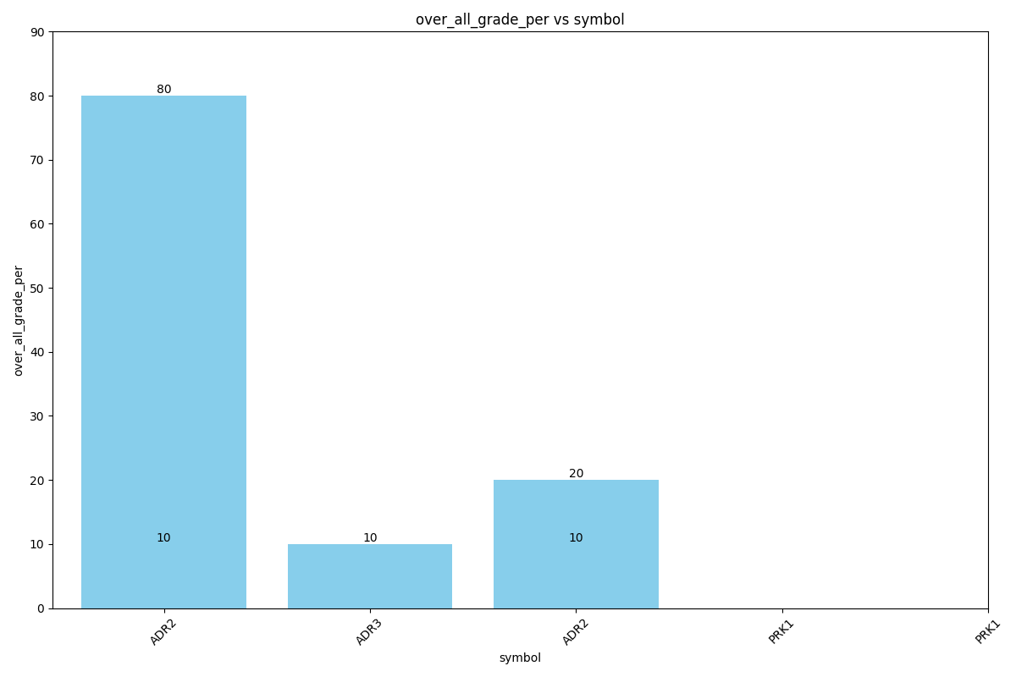
Data for Actual
over_all_grade | over_all_grade_per | studentname | symbol | class | phasename | instructorname
G | 80 | std3 | ADR-2 | Front Drive | Driving | Bharti
U | 10 | std3 | ADR-3 | back adding | Driving | Bharti
U | 10 | std3 | ADR-2 | back adding "AYushi" | Driving | Bharti
F | 10 | std3 | PRK-1 | Front Drive | Driving | Bharti
U | 20 | std3 | PRK-1 | Front Drive | Driving | Bharti

Test
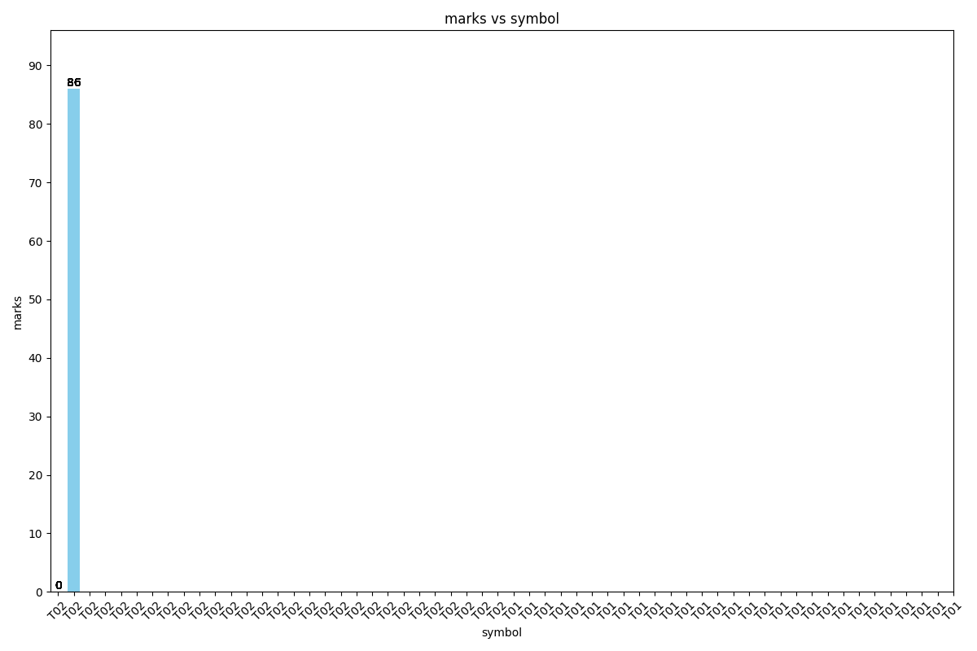
Data for Test
marks | studentname | instructorname | symbol
0 | std3 | user4 | T02
0 | std3 | std3 | T02
0 | std3 | Archana | T02
0 | std3 | anchit | T02
0 | std3 | archi3 | T02
0 | std3 | user1 | T02
0 | std3 | trbrtgbrtg | T02
0 | std3 | std2 | T02
0 | std3 | Bharti | T02
0 | std3 | Archana | T02
0 | std3 | stu | T02
0 | std3 | inst | T02
0 | std3 | ans | T02
0 | std3 | std1 | T02
0 | std3 | A4 | T02
0 | std3 | varun | T02
0 | std3 | inst | T02
0 | std3 | varun12 | T02
0 | std3 | stu | T02
0 | std3 | ayu | T02
0 | std3 | ayu | T02
0 | std3 | varun | T02
0 | std3 | sabre1 | T02
0 | std3 | archi4 | T02
0 | std3 | abcd | T02
0 | std3 | abcd | T02
0 | std3 | archi | T02
0 | std3 | sabre | T02
0 | std3 | archi1 | T02
86 | std3 | sabre | T01
86 | std3 | archi1 | T01
86 | std3 | user4 | T01
86 | std3 | std3 | T01
86 | std3 | Archana | T01
86 | std3 | anchit | T01
86 | std3 | archi3 | T01
86 | std3 | user1 | T01
86 | std3 | trbrtgbrtg | T01
86 | std3 | std2 | T01
86 | std3 | Bharti | T01
86 | std3 | Archana | T01
86 | std3 | stu | T01
86 | std3 | ans | T01
86 | std3 | inst | T01
86 | std3 | std1 | T01
86 | std3 | A4 | T01
86 | std3 | varun | T01
86 | std3 | inst | T01
86 | std3 | varun12 | T01
86 | std3 | stu | T01
86 | std3 | ayu | T01
86 | std3 | ayu | T01
86 | std3 | varun | T01
86 | std3 | sabre1 | T01
86 | std3 | archi4 | T01
86 | std3 | abcd | T01
86 | std3 | abcd | T01
86 | std3 | archi | T01

Quiz
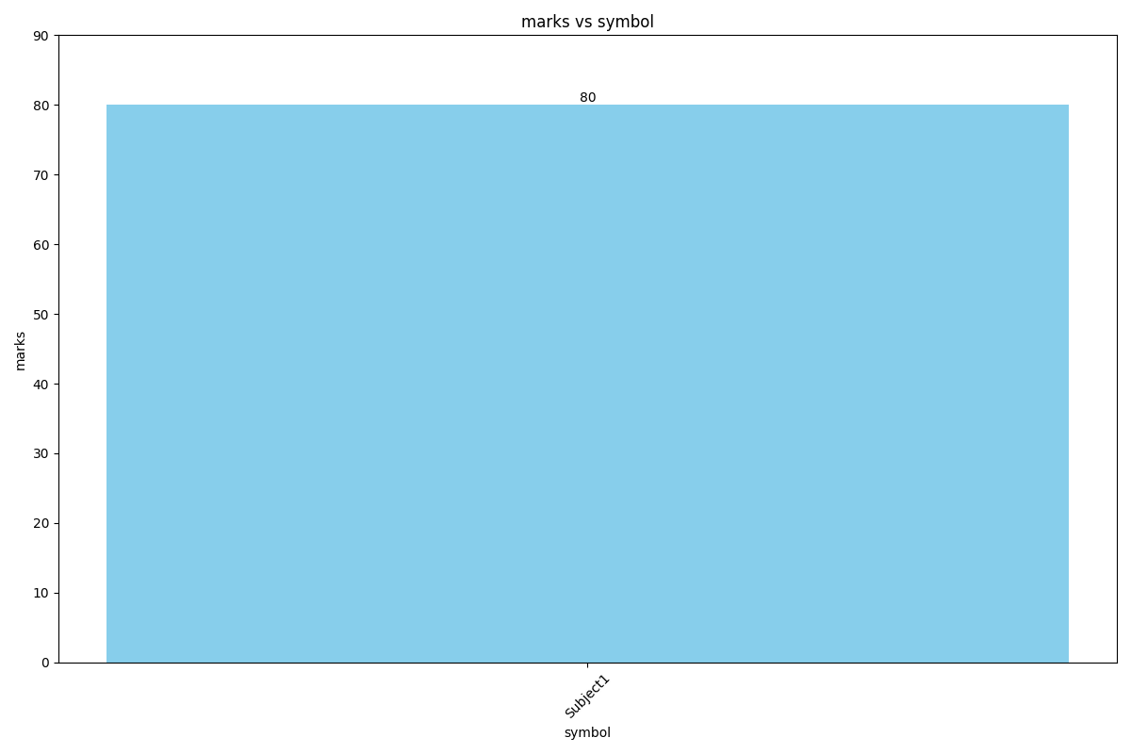
Data for Quiz
marks | symbol
80 | Subject1

Memo
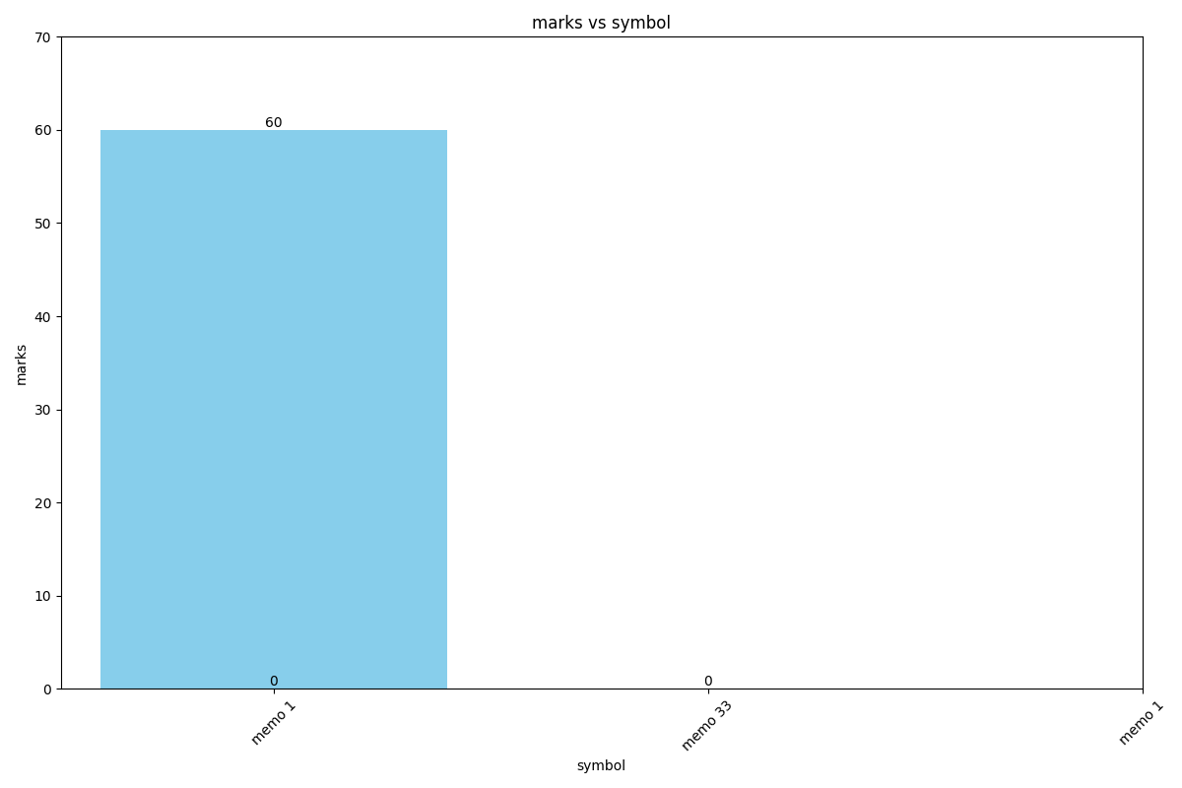
Data for Memo
marks | symbol
60 | memo 1
 | memo 33
 | memo 1

Discipline
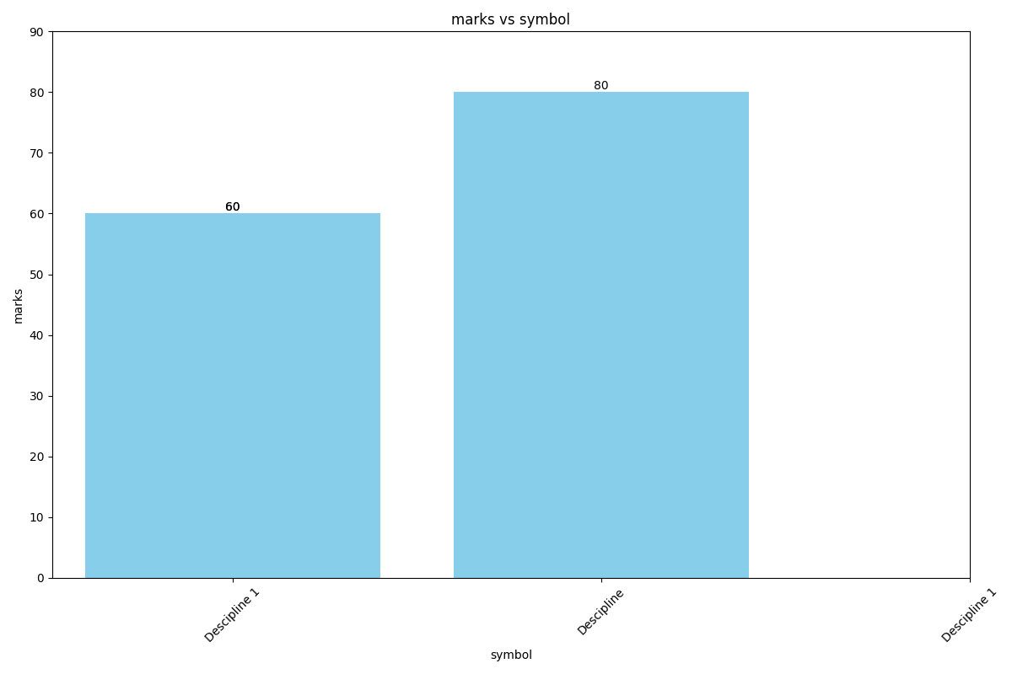
Data for Discipline
marks | symbol
60 | Descipline 1
80 | Descipline
60 | Descipline 1

